Model Overview
Mean Sale | 3.98 | Average of the Sensitivities |  | % of Change in the Predicted Sale for %5 Decrease in the Focal Product Price | % of Change in the Predicted Sale for %5 Increase in the Focal Product Price | % of Change in the Predicted Sale for %10 Decrease in the Focal Product Price | % of Change in the Predicted Sale for %10 Increase in the Focal Product Price | % of Change in the Predicted Sale for %5 Decrease in the First Substitutable Product Price | % of Change in the Predicted Sale for %5 Increase in the First Substitutable Product Price | % of Change in the Predicted Sale for %10 Decrease in the First Substitutable Product Price | % of Change in the Predicted Sale for %10 Increase in the First Substitutable Product Price | % of Change in the Predicted Sale for %5 Decrease in the First 5 Substitutable Product Price | % of Change in the Predicted Sale for %5 Increase in the First 5 Substitutable Product Price | % of Change in the Predicted Sale for %10 Decrease in the First 5 Substitutable Product Price | % of Change in the Predicted Sale for %10 Increase in the First 5 Substitutable Product Price
MSE out of Sample NN | 4.08 |  | Regression | 0.73131750569 | -0.73131750569 | 1.4626350114 | -1.4626350114 | -0.16863425528 | 0.16863425528 | -0.33726851055 | 0.33726851055 | -3.3972119235 | 3.3972119235 | -6.794423847 | 6.794423847
Mse out of Sample Regression | 5.56 |  | NN | 5.3625539891 | -6.1686127846 | 9.8644346203 | -13.353424477 | -0.47184674465 | 0.44826112354 | -0.96934327887 | 0.87503130858 | -1.4909888863 | 1.413400255 | -3.1058537302 | 2.7877068543

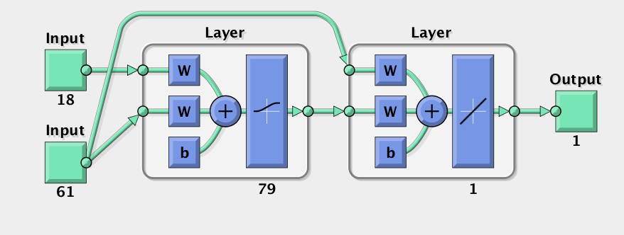

Input 1 | Substitable Prices and their discount rate
Input 2 | Focal Product Features

PLOT
Elasticity versus Price for TVs
ID | Average Price | % of Change in the Predicted Sale for %10 Decrease in the Focal Product Price (Regression) | % of Change in the Predicted Sale for %10 Decrease in the Focal Product Price (Neural Network)
1138263 | 2013.3078328 | 1.210130355 | 5.3777518876
1139362 | 2331.7212192 | 1.5725263056 | 1.2735770069
1139363 | 1579.2312441 | 1.7208166043 | 8.2723437957
1141061 | 2108.3716331 | 2.7692719879 | 10.685313474
1142731 | 2493.1780547 | 2.234411989 | 5.4102100195
1143640 | 2014.1072358 | 1.1029157637 | 1.5577088523
1144140 | 1642.1482215 | 0.93388722751 | 6.3999803256
1148001 | 1401.7541833 | 0.76446950192 | 7.366746719
1148010 | 2579.9285855 | 2.5875079132 | 3.6621693553
1148081 | 1604.7974525 | 0.93725672744 | 5.9921978343
1162466 | 2346.8011993 | 1.8348391126 | 5.5004310693
1162467 | 2822.835516 | 1.60081137 | 7.4619634333
1162557 | 2402.8141184 | 1.593779142 | 10.74877233
1162558 | 2812.8113548 | 0.61510843737 | 6.4311799536
1162559 | 3059.2189249 | 2.5693628402 | 6.2566711032
1163152 | 2228.6053939 | 1.2836509693 | 10.321247828
1163153 | 2481.3603447 | 0.81240084989 | 5.5550524284
1164313 | 2428.242618 | 0.66578945611 | 6.8689322625
1164961 | 2848.9409702 | 1.1870471137 | 8.9792440452
1164962 | 3447.7901688 | 1.8824294804 | 5.6649530906
1165757 | 1840.0974968 | 0.99923520469 | 3.2111408531
1166153 | 2335.7067153 | 0.90628782028 | 5.1552424492
1166984 | 2460.999226 | 2.5862010522 | 10.777990679
1166998 | 1356.9097319 | 1.7935835856 | 13.202628879
1167021 | 1697.7843369 | 1.1925234316 | 7.3091920503
1167087 | 2652.8377186 | 1.1148489964 | 8.747908942
1167847 | 1513.6349853 | 1.074682466 | 13.301266857
1167918 | 2167.4256835 | 0.6053595541 | 5.3368549074
1170236 | 1836.7831363 | 0.40550421324 | 7.7582288042
1170372 | 2715.225553 | 2.5843760919 | 1.0810573123
1170739 | 1285.6631839 | 1.3911771965 | 1.7138883414
1173299 | 3484.1093038 | 2.6417213981 | 12.828206937
1174241 | 2817.5621918 | 1.4874052146 | 18.786924163
1174242 | 2941.5865811 | 0.71306014569 | 17.179018374
1174243 | 3407.173244 | 2.3180488617 | 37.926596127
1174244 | 2462.7638338 | 1.5515688202 | 3.5976741807
1174275 | 2727.7492184 | 0.42536028767 | 9.5985849964
1174293 | 3647.8601136 | 2.9690813015 | 19.272067265
1174299 | 3077.2730599 | 0.456513386 | 11.260584947
1174313 | 3620.3687752 | 1.1651888687 | 27.118745746
1174314 | 2566.7987111 | 0.42912037534 | 7.5425051187
1174315 | 2840.572063 | 0.92528149693 | 12.371948389
1174339 | 2135.5908755 | 1.6701066476 | 14.282383825
1174340 | 2146.474529 | 0.89896282236 | 16.424076237
1175687 | 2984.5075576 | 2.0848177483 | 16.389044585
1175833 | 2401.3225934 | 1.7394925761 | 17.569425567
1175835 | 2153.2328481 | 1.8993393083 | 22.253186455
1175950 | 2475.0753067 | 2.5896631608 | 6.0056113663
1177151 | 2955.5689158 | 1.1721903785 | 5.5688652275

